Project5230
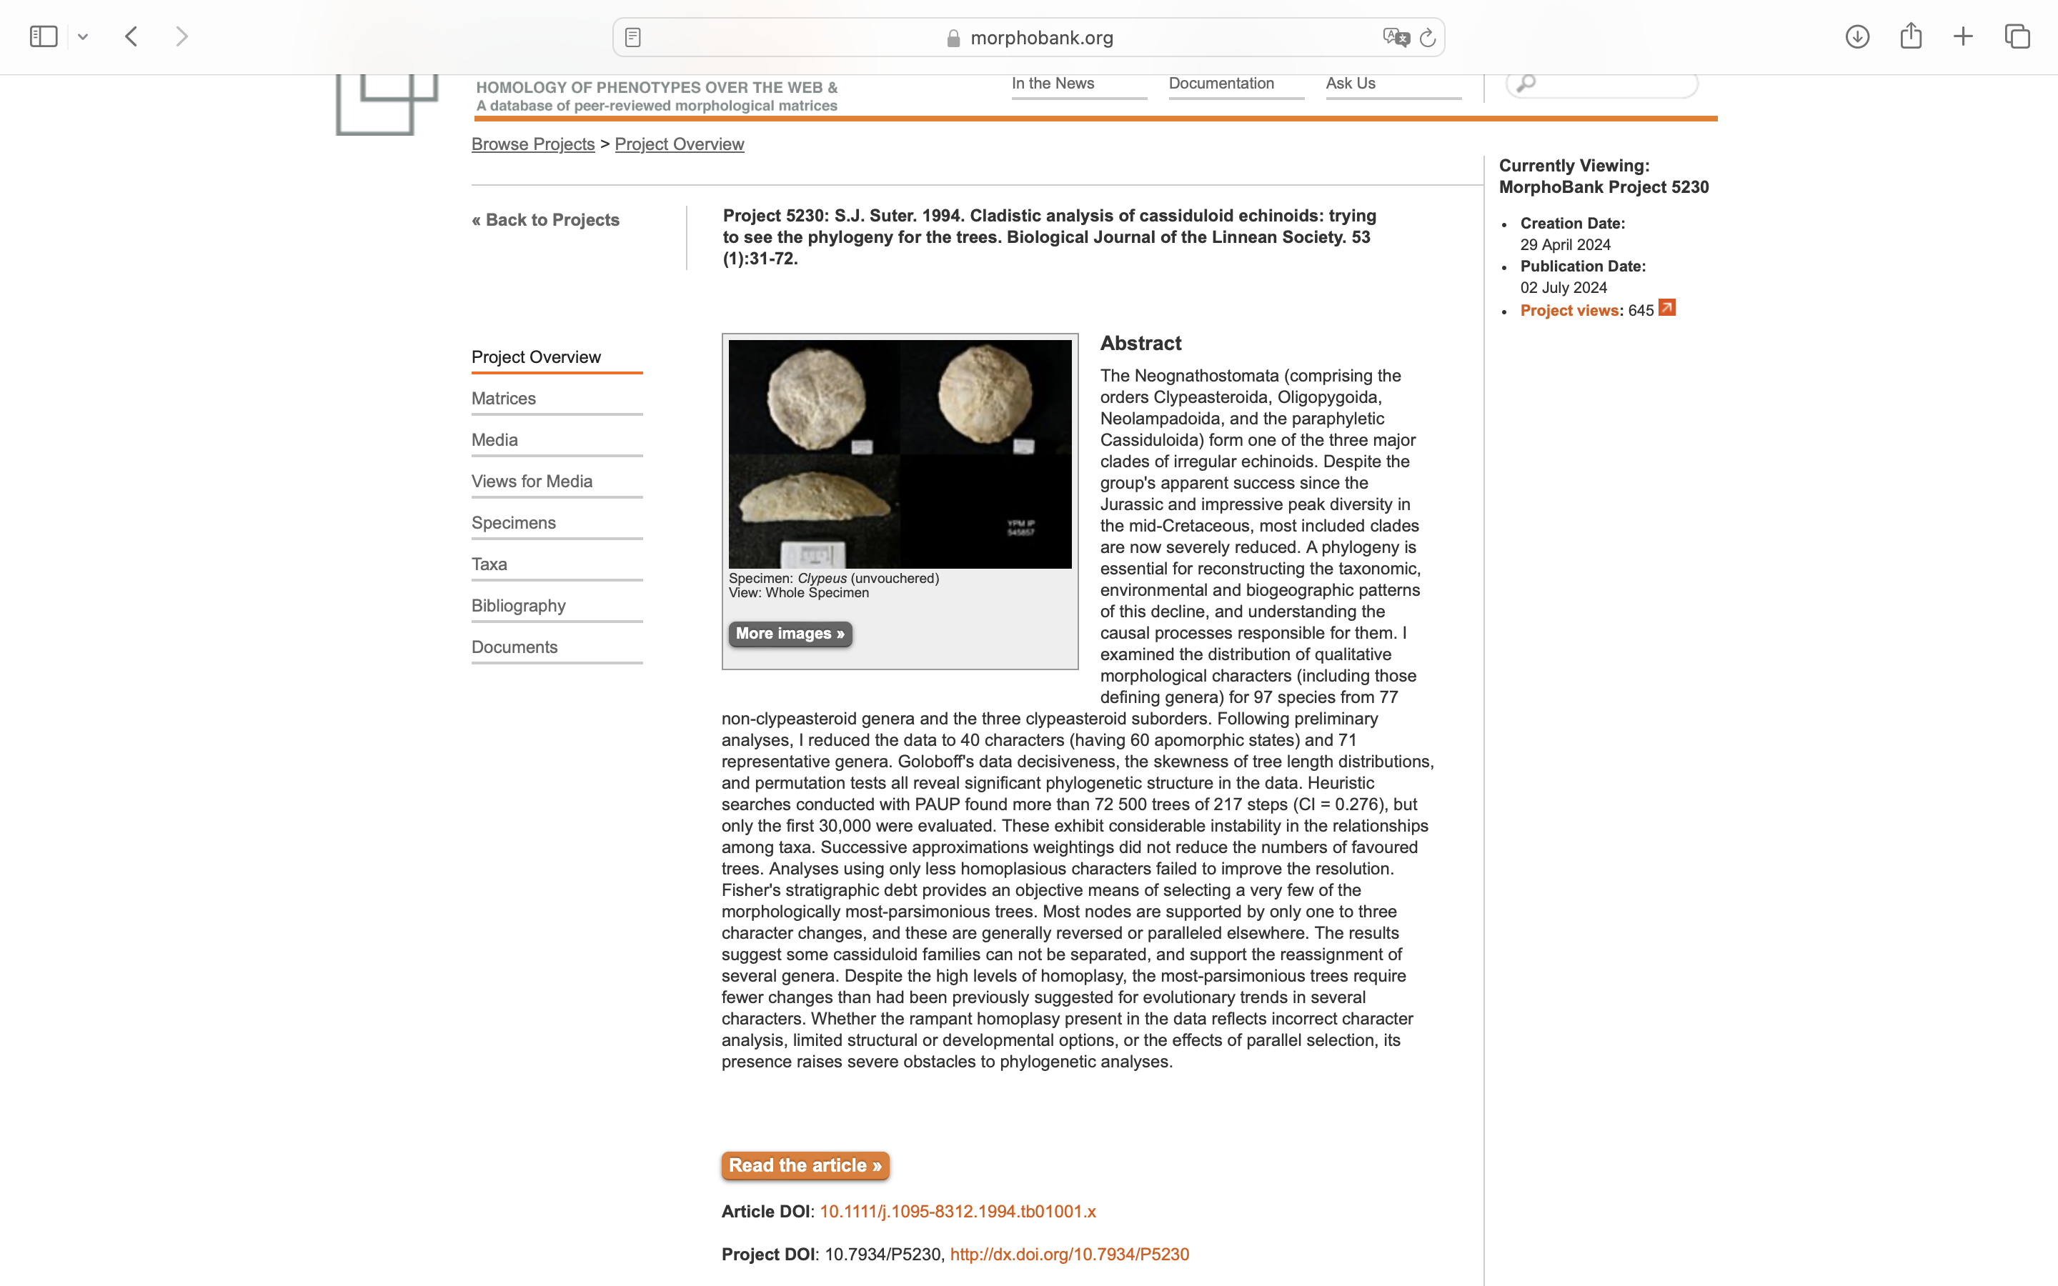
Charlabels | Character Pattern | Unseen States
[1] 'Apical rostrum (anterior projection of apical surface of test)' | Nemorphic | NO
[2] 'Number of genital pores' | Transformational | YES
[3] 'Relative size of genital plates' | Transformational | YES
[4] 'Apical plating' | Transformational | YES
[5] 'Posterior genital plates (G1, G4) separated by G2' | Nemorphic | NO
[6] 'Posterior ocular plates (Oc1, Oc5) separated by G2' | Nemorphic | NO
[7] 'Catenal plates between posterior oculars and periproct' | Nemorphic | NO
[8] 'Complementary plates present in apical disc' | Nemorphic | NO
[9] 'Relative size of ocular plates' | Transformational | YES
[10] 'Ocular plates separated from apical disc' | Nemorphic | NO
[11] 'Petal development' | Transformational | YES
[12] 'Petal shape' | Transformational | YES
[13] 'Anterior petal (ambulacrum III) development' | Transformational | YES
[14] 'Pore zones of individual petals differ in length' | Nemorphic | NO
[15] 'Periproct position with respect to apical disc' | Transformational | YES
[16] 'Periproct position on test surface' | Transformational | YES
[17] 'Periproct orientation' | Transformational | YES
[18] 'Periproct size' | Transformational | NO
[19] 'Anal sulcus' | Transformational | YES
[20] 'Peristome shape' | Transformational | YES
[21] 'Peristome orientation' | Transformational | YES
[22] 'Bourrelet reduction' | Nemorphic | NO
[23] 'Bourrelet elevation' | Transformational | YES
[24] 'Continuous rim developed around peristome' | Nemorphic | NO
[25] 'Ambulacral pores beyond the petals' | Transformational | YES
[26] 'Phyllodes (areas of enlarged pores in adoral portion of ambulacra)' | Transformational | YES
[27] 'Arrangement of adoral pores in the phyllodes' | Transformational | YES
[28] 'Shape of phyllodes' | Transformational | YES
[29] 'Relative development of columns of phyllocle pores' | Transformational | YES
[30] 'Buccal pores' | Nemorphic | NO
[31] 'Separation between buccal pores and phyllodes' | Transformational | YES
[32] 'Plating in ambulacra beyond petals' | Transformational | YES
[33] 'Naked zone in ambulacrum III of oral surface' | Nemorphic | NO
[34] 'Naked zone in interambulacrum 5 of oral surface' | Transformational | YES
[35] 'Surface of medial naked zone in interambulacrum 5' | Transformational | YES
[36] 'Unprotrusible Aristotle?s lantern in adults' | Nemorphic | NO
[37] 'Sphaeridia placement' | Transformational | YES
[38] 'Sphaeridia number' | Transformational | YES
[39] 'Number of podia per plate' | Transformational | NO
[40] 'Radially oriented internal interambulacral buttresses' | Nemorphic | NO

